Sheet1
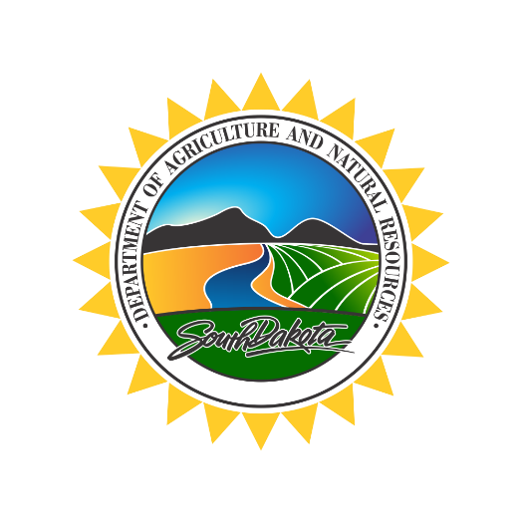
 |  | DEPARTMENT of AGRICULTURE and NATURAL RESOURCES
 |  | PO BOX 2104
 |  | Alfred Dairy Science Hall
 |  | Brookings, SD 57007
 |  | Phone: 605.688.6455
 |  | danr.sd.gov

SOUTH DAKOTA RAW MILK MONTHLY ASSESSMENT FORM

REPORT OF MILK PURCHASED BY MILK BUYER |  |  |  | POUNDS OF MILK PURCHASED
(Milk Buyer Name) |  |  |  | (Month)

1. Pounds of Grade A milk purchased from South Dakota Producers |  |  |  |  | 22.00 | lbs

2. Pounds of Grade B milk purchased from South Dakota Producers |  |  |  |  | 4,000.00 | lbs

3. Total of lines 1 and 2 |  |  |  |  | 4,022.00 | lbs

4. Divide the total on line 3 by 100 (total cwt) |  |  |  |  | 40.22 | cwt

5. Amount Due for milk purchased during this reporting period (line 4 x $.007) |  |  |  |  | $0.28

6. Amount remitted with this report

Pursuant to SDCL 40-32-25, beginning January 1, 2010, each milk buyer shall pay a montly Raw Milk Assessment Fee
on all milk from South Dakota producers which shall be paid by the beginning of each month to the Secretary

Make checks payable to the South Dakota Department of Agriculture and Natural Resources and mail to:

Department of Agriculture and Natural Resources
Livestock Services
Dairy and Egg Program - Alfred Dairy Science Hall
PO Box 2104, Brookings, SD 57007

DATE |  |  | RESPONDING OFFICIALS NAME (Print)

TITLE (print) |  |  | SIGNATURE

For office use only | Receipt Number:___________ |  |  | Date:_____________

